B Paper feeder unit
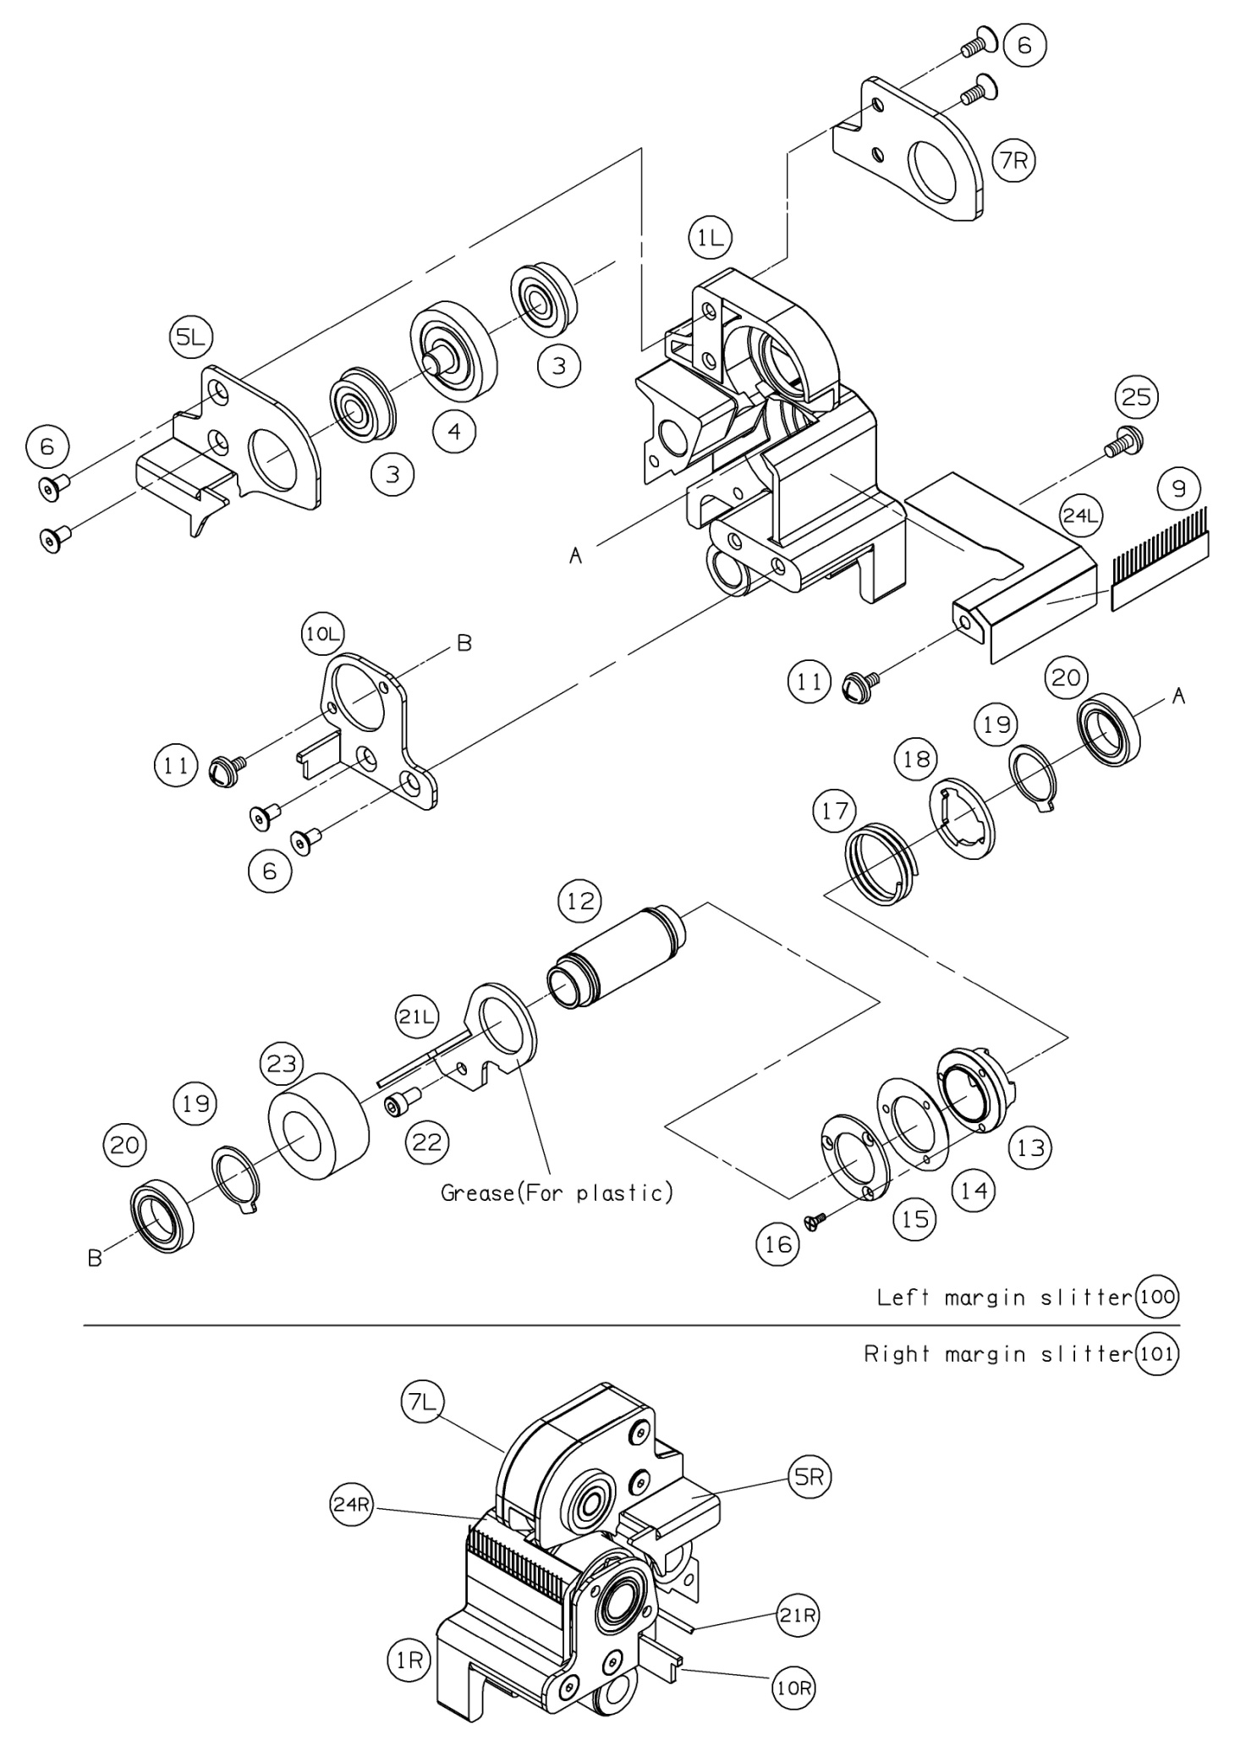
 | Ref. No | Pars No. | Parts name | 適用 | 適用 | Remarks
 |  |  |  | Region | 規格
FALSE | Ｂ-1 | Ｂ-1 | Paper feeder unit ASSY
FALSE | Ｂ-3 | Ｂ-3 | Upper frame |  |  | SECC t=1.6
0 | Ｂ-4 | Ｂ-4 | Upper beam 1 |  |  | SECC t=1.2
TRUE | Ｂ-5 | Ｂ-5 | Upper beam 2 |  |  | SECC t=1.2
FALSE | Ｂ-6 | Ｂ-6 | Plate 1 |  |  | SECC t=1.0
FALSE | Ｂ-7 | Ｂ-7 | Plate 2 |  |  | SECC t=1.0
FALSE | Ｂ-9 | Ｂ-9 | Cushion
TRUE | Ｂ-10 | Ｂ-10 | Static eliminator
FALSE | Ｂ-11 | Ｂ-11 | Pick up frame |  |  | SECC t=1.6
FALSE | Ｂ-12 | Ｂ-12 | Pick up motor
TRUE | Ｏ-11 | Ｏ-11 | Pick up motor harness
FALSE | Ｂ-13 | Ｂ-13 | Pick up motor bracket |  |  | SECC t=1.6
FALSE | Ｂ-14 | Ｂ-14 | Motor shaft pulley
FALSE | Ｂ-15 | Ｂ-15 | Timing belt
FALSE | B-16R | B-16R | Pick up roller (Rubber only)
FALSE | Ｂ-16 | Ｂ-16 | Pick up roller
FALSE | Ｂ-17 | Ｂ-17 | Pick up holder
FALSE | Ｂ-18 | Ｂ-18 | Roller shaft |  |  | SUS303B-DG
FALSE | Ｂ-19 | Ｂ-19 | Roller shaft pulley
FALSE | Ｂ-20 | Ｂ-20 | Bearing
FALSE | Ｂ-21 | Ｂ-21 | One-way clutch
FALSE | Ｂ-22 | Ｂ-22 | Set screw |  |  | SWRM
FALSE | Ｂ-23 | Ｂ-23 | First pressure roller ASSY
FALSE | Ｂ-24 | Ｂ-24 | Pressure roller |  |  | URETHANE/C3604B
FALSE | Ｂ-25 | Ｂ-25 | Pressure roller shaft |  |  | SUS303B-DG
FALSE | Ｂ-26 | Ｂ-26 | Pressure roller shaft frame |  |  | SECC t=1.2
FALSE | Ｂ-27 | Ｂ-27 | Roller shaft bearing
FALSE | Ｂ-29 | Ｂ-29 | Pinch bracket
FALSE | Ｂ-30 | Ｂ-30 | Pinch bracket shaft |  |  | SUS303B-DG
FALSE | Ｂ-31 | Ｂ-31 | Caution label
FALSE | Ｂ-28 | Ｂ-28 | Adjust bolt |  |  | SCM435
FALSE | Ｂ-32 | Ｂ-32 | Spring |  |  | SUS304-WPB

Slitter unit
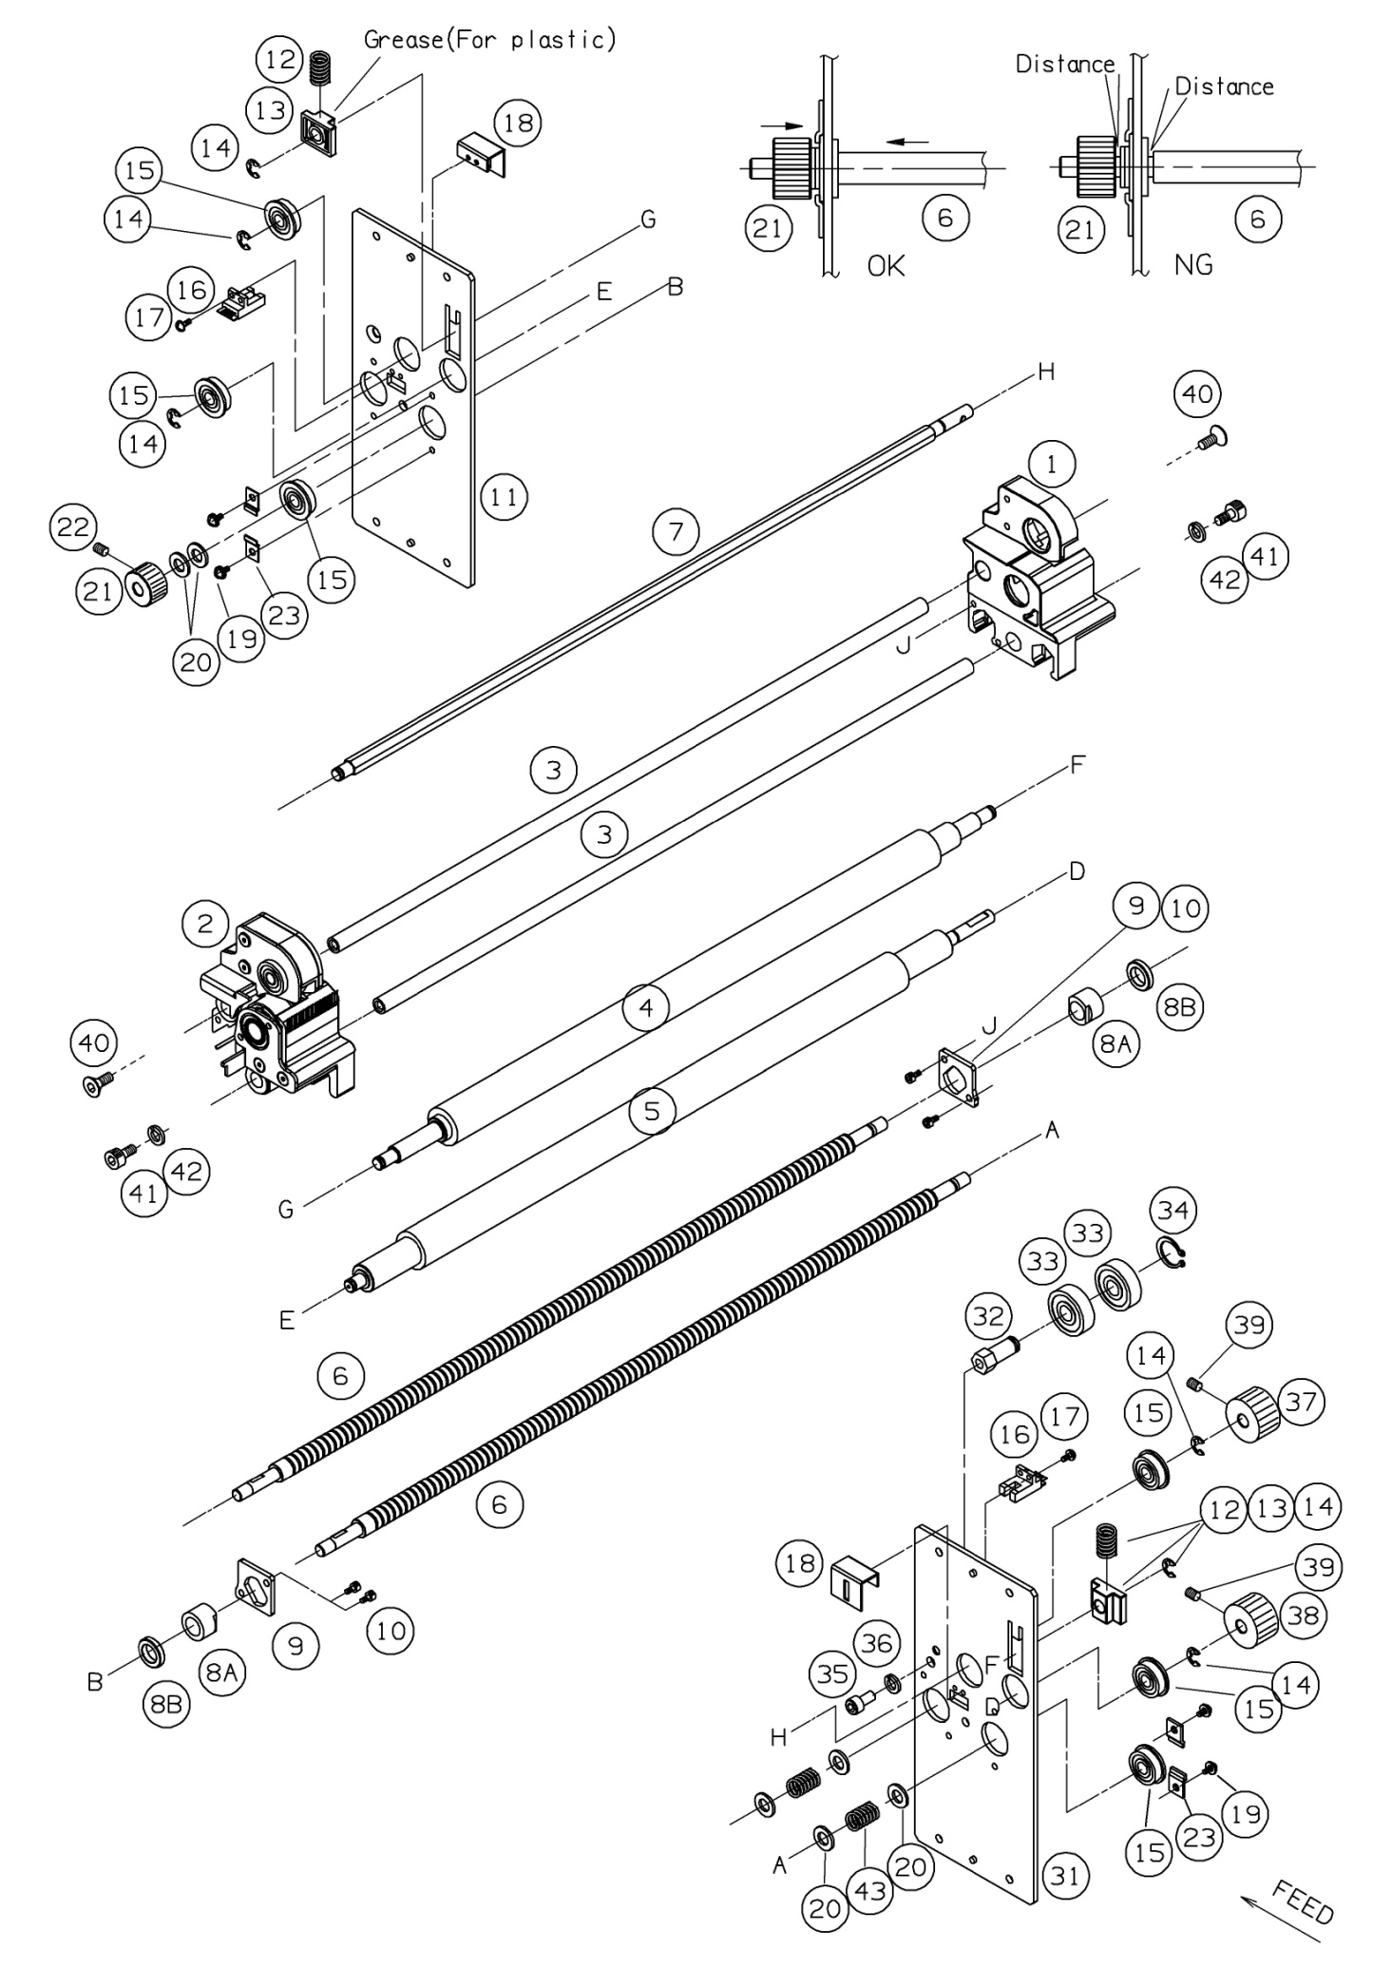
 | Ref. No | Pars No. | Parts name | 適用 | 適用 | Remarks
 |  |  |  | Region | 規格
FALSE | 1 |  | Margin slitter(R)/ Gutter slitter(R)
FALSE | 2 |  | Margin slitter(L)/ Gutter slitter(L)
TRUE | 3 | 7701-0223 | Slitter moving shaft
TRUE | 4 | 7701-0602 | Carrying roller (Soft)
TRUE | 5 | 7701-0601 | Carrying roller (Hard)
TRUE | 6 | 7701-0229 | Slitter moving screw
FALSE | 7 | 7701-0238 | Slitter rotation shaft
FALSE | 8A | 7701-0263 7701-0269 | Slitter moving nut
TRUE | 8B | 7701-0268 | Slitter moving collar
FALSE | 9 | 7701-0264 | Slitter nut fixed plate
FALSE | 10 | 05-903 | Sems screw |  |  | M4x10+SW
TRUE | 11 | 7701-0271 | Slitter unit side plate (L)
FALSE | 12 | 60-198 | Carrying roller spring
FALSE | 13 | 51-592 | Carrying roller slider
FALSE | 14 | 65-412 | Retaining ring-E |  |  | #7
FALSE | 15 | 80-418 | Ball bearing |  |  | FL608ZZ
TRUE | 16 | 72-292 | Slitter origin censor
FALSE | 17 | 05-885 | Sems screw |  |  | M3x10+SW
FALSE | 18 | 7701-0279 | Slitter censor cover
FALSE | 19 | 05-996 | Sems screw |  |  | M4x8+SW+W
FALSE | 20 | 09-427 | Plain washer |  |  | M8
TRUE | 21 | 80-732 (7701-0615) | Slitter moving pulley
FALSE | 22 | 08-357 | Hexagon socket set screw |  |  | M4x6
FALSE | 23 | 7701-0722 | Bearing stopper
FALSE | 31 | 7701-0272 | Slitter unit side plate (R)
FALSE | 32 | 7701-0629 | Idler shaft A
FALSE | 33 | 80-421 | Ball bearing |  |  | 6200ZZ
FALSE | 34 | 65-500 | Retaining Rings-C |  |  | #10
FALSE | 35 | 08-255 | Hexagon socket head cap screw |  |  | M6x12
TRUE | 36 | 09-387 | Spring lock washer |  |  | M6
FALSE | 37 | 80-731 (7701-0614) | Slitter rotation pulley
FALSE | 38 | 80-728 (7701-0611) | Carrying roller pulley
FALSE | 39 | 08-361 | Hexagon socket set screw |  |  | M4x8
FALSE | 40 | 08-507 | Hexagon socket countersunk head screw |  |  | M5x12
FALSE | 41 | 08-242 | Hexagon socket head cap screw |  |  | M5x10
FALSE | 42 | 09-386 | Spring lock washer |  |  | M5
FALSE | 43 | 60-196 | Spring |  |  | φ1.3

